Sheet1
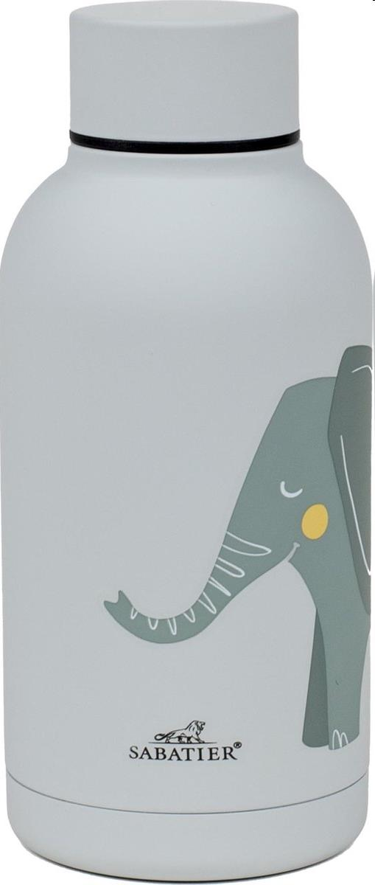
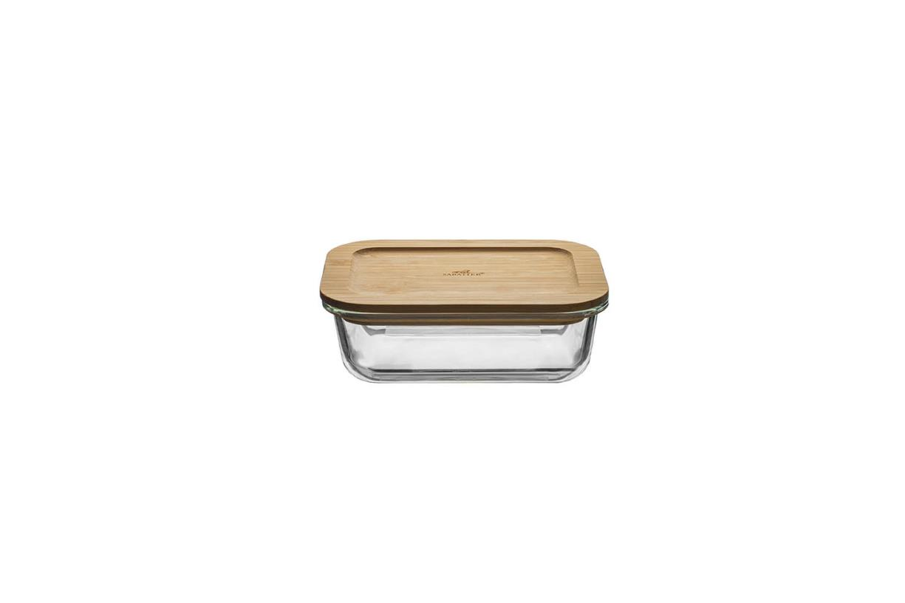
Picture | Item code | Description | Extra information | Restriction | Stock | Sales price EXW | Retail price | Barcode | Quantity PU | Quantity pallet | Pallet | Origin | Customs code | Item weight | Languages on package | Group
 | 21925 | Sabatier Terra, Drink bottle 350ml | L651000806 | Belgium | 5386 | 2.29 | 19.99 | 5415252008066 | 8 | 1224 | Europallet 120x80 | CN | 3923501000 | 200 | nl fr de | Sabatier Terra
 | 21921 | Sabatier Terra, Oven Dish/Storage Box 1000ml | L651000802 | Belgium | 868 | 2.2 | 19.99 | 5415252008028 | 6 | 504 | Europallet 120x80 | CN | 7013491000 | 800 | nl fr de | Sabatier Terra

